Instructions
Data Import Guide

This Excel template is used for collecting all your employee data to be imported into Sympa.

The data collection is spread out on multiple sheets of this Excel file.

1. Sheet "Employees" is used to create the base of your employee profiles in Sympa.
- This includes their basic information such as name, date of birth and their contact details.
- Each employee can only appear once on this sheet (one row per employee).

2. The sheets that follow, are used to complete the employee profiles with additional data.
- This includes their employment and compensation history, and absence and holiday records.
- On these sheets, you may have multiple rows for one employee, accumulating a history.
- If you don't wish to import any data to the section indicated by the sheet name, you may delete the sheet from this Excel file.

To help you understand how to fill in the various Excel sheets, please read through the instructions below.
On each sheet you can find some example data. You may delete these rows from the sheet.

Mandatory fields and Field types

On the data sheets, above each column, you can see the type of data that column stores, and if the column is mandatory.
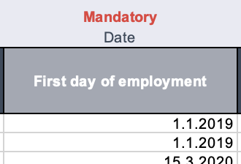
 | Please make sure to fill in all mandatory fields.
 | Please pay attention to the type of data that needs to be filled in for each column.

Some columns of the Excel sheets import data to dropdown fields. You can identify dropdown columns from their dark-blue shade.
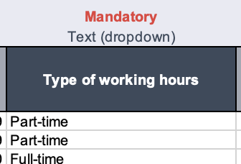
 | Dropdown fields have pre-defined content, so for these columns you need to use one of the available dropdown values.
 | You can find these pre-defined values on the "Dropdown values" sheet.

Please note, that you should always fill in the dropdown fields in English, as this is the software's default language.
If you use additional user languages in Sympa, the dropdown fields are displayed in the user's chosen language once the data has been imported.

Employee number

Sympa uses employee number as the unique identifier that matches the data to an employee profile. The employee number is filled on each sheet of this Excel file.

Video Guide

This video guide assists you in filling out your data import template for Sympa. Walk through each sheet with us as we demonstrate how to input essential employee information and further details such as employment history.

Click here for the video guide!

